1. Title Page
Instacart Grocery Basket Analysis

Project Name: Instacart Grocery Basket Analysis
Date: June, 2024
Analyst Name: Constantin Melachrinos

Contents:
Population Flow
Consistency checks
Wrangling steps
Column derivations
Visualizations
Recommendations

2. Population Flow
 | Title page

Population flow

Exclusion flag
Condition: max_order < 5
Obervations to be removed: 29.651
Final total count of order_products_all: 32.404.859

Orders_products_combined
Orders_products_merged
Orders_products_all

Total: 32.404.859
Total: 32.434.489
Total: 32.404.859

1.) The grey boxes in the first row of the population flow represent the original data sets as they were when you downloaded them. In the Total fields you need to add the count of the rows when you imported the data set into Jupyter.
2.) The second row of boxes (coloured) represents the data sets after you manipulated them, e.g., removed missing values and duplicates. In the Total fields you need to add the count of the rows after conducting these operations. This offers a visual oveview of how the data flows throughout the data consistency checks.
3.) The third row, where also the arrows are coloured, represents the merges you performed between the datasets. In the Total fields you need to add the count of the rows in the merged datasets, so that you end up with the final dataset (in the red box). Keep in mind the final dataset should be without exclusions (based on the exclusion flag).

29651

3. Consistency checks
 |  |  |  | Title page
Consistency checks

Dataset | Missing values | Missing values treatment | Duplicates
orders | 206209 data missing in column days_since_prior_order | added a new column to indicate if order is first order of customer. Missing data represented new customers. So i left them as it is. | no duplicates found.
products | 16 product names missing | deleted all missing data from dataframe since its not useable | 5 duplicates found and deleted from dataframe
orders_products_prior | None | none | none
customers | 11259 first names missing. | First and last names were deleted because of PII security. | no duplicates found.

4. Wrangling steps
 |  |  |  | Title page
Wrangling steps

Columns dropped | Columns renamed | Columns' type changed | Comment/Reason
'eval_set' from orders dataframe |  |  | it has no use for our analysis.
 | 'order_dow' column from orders dataframe renamed to 'order_day_of_week' |  | renamed for betterunderstanding of the underlying data.
 |  | 'order_id' of dataframe orders changed to string. | not needed for descriptive analysis so better change datatype to string so it wont appear in the describe() function.
 | FIRST NAME |  | changed to first_name
 | Surnam |  | changed to last_name
 | Gender |  | changed to gender
 | STATE |  | changed to state
 | Age |  | changed to age
 |  | order_id | changed to string

5. Column derivations
 |  |  |  | Title page

Column derivations and aggregations

In this tab you should add tables below that the frequences of flags/label variables that you produced after deriving them. NB: don't do this for continuous variables, only for flags.
Dataset | New column | Column/s it was derived from | Conditions
orders_products_merged.pkl | price_range | prices | #loc function for High-range products df_ords_prods_merge.loc[df_ords_prods_merge['prices'] > 15, 'price_range_loc'] = 'High-range product' #loc function for Mid-range products df_ords_prods_merge.loc[(df_ords_prods_merge['prices'] <= 15) & (df_ords_prods_merge['prices'] > 5), 'price_range_loc'] = 'Mid-range product' #loc function for Low-range products df_ords_prods_merge.loc[df_ords_prods_merge['prices'] <= 5, 'price_range_loc'] = 'Low-range product'
 | busiest_day | orders_day_of_week | # make new list called result result = [] #Loop through whole dataframe in column 'orders_day_of_week' #and write the corresponding text for when if clause is true in the list for value in df_ords_prods_merge["orders_day_of_week"]: if value == 0: result.append("Busiest day") elif value == 4: result.append("Least busy") else: result.append("Regularly busy")
 | busiest_days | orders_day_of_week | # make new list called 'busiest_days_list' busiest_days_list = [] #Loop through whole dataframe in column 'orders_day_of_week' #and write the corresponding text for when if clause is true in the list for value in df_ords_prods_merge["orders_day_of_week"]: if value == 0 or value == 1: busiest_days_list.append("Busiest days") elif value == 4 or value == 3: busiest_days_list.append("Least busy days") else: busiest_days_list.append("Regularly busy days")
 | busiest_period_of_day | order_hour_of_day | # make new list called 'busiest_period' busiest_period = [] #Loop through whole dataframe in column 'order_hour_of_day' #and write the corresponding text for when if clause is true in the list for value in df_ords_prods_merge["order_hour_of_day"]: if value in (10,11,14,15,13,12,16,9): busiest_period.append("Most orders") elif value in (17,8,18,19,20,7,21,22): busiest_period.append("Average orders") else: busiest_period.append("Fewest orders")
orders_products_merge_derived | max_order | user_id & order_number | ords_prods_merge['max_order'] = ords_prods_merge.groupby(['user_id'])['order_number'].transform('max')
 | loyalty_flag | max_order | ords_prods_merge.loc[ords_prods_merge['max_order'] > 40, 'loyalty_flag'] = 'Loyal customer' ords_prods_merge.loc[(ords_prods_merge['max_order'] <= 40) & (ords_prods_merge['max_order'] > 10), 'loyalty_flag'] = 'Regular customer' ords_prods_merge.loc[ords_prods_merge['max_order'] <= 10, 'loyalty_flag'] = 'New customer'
 | mean_prices | user_id & prices | ords_prods_merge['mean_prices'] = ords_prods_merge.groupby(['user_id'])['prices'].transform('mean')
 | spending_behaviour | mean_prices | #loc function for low spending customers, mean price below 10 ords_prods_merge.loc[ords_prods_merge['mean_prices'] < 10, 'spending_behaviour'] = 'Low spender' #loc function for high spending customers, mean price 10 or above ords_prods_merge.loc[ords_prods_merge['mean_prices'] >= 10, 'spending_behaviour'] = 'High spender'
 | median_days_since_prior_order | user_id & days_since_prior_order | #loc function for non frequent customers, mean days higher 20 ords_prods_merge.loc[ords_prods_merge['median_days_since_prior_order'] > 20, 'order_behaviour'] = 'Non-frequent customer' #loc function for regular customers, mean days between 10 and 20 incl. 20 ords_prods_merge.loc[(ords_prods_merge['median_days_since_prior_order'] > 10) & (ords_prods_merge['median_days_since_prior_order'] <= 20), 'order_behaviour'] = 'Regular customer' #loc function for frequent customers, mean days lower or equal 10 days ords_prods_merge.loc[ords_prods_merge['median_days_since_prior_order'] <= 10, 'order_behaviour'] = 'Frequent customer'
orders_products_customers_combined | region | state | #loc function for regional segmentation by producing an additional column named 'region' ords_prods_cust.loc[ords_prods_cust['state'].isin(northeast), 'region'] = 'Northeast' ords_prods_cust.loc[ords_prods_cust['state'].isin(midwest), 'region'] = 'Midwest' ords_prods_cust.loc[ords_prods_cust['state'].isin(south), 'region'] = 'South' ords_prods_cust.loc[ords_prods_cust['state'].isin(west), 'region'] = 'West' source of regions: https://simple.wikipedia.org/wiki/List_of_regions_of_the_United_States
 | activity | max_order | # Create flag on basis of 'max_order' column. ords_prods_cust.loc[ords_prods_cust['max_order'] < 5, 'activity'] = 'low' ords_prods_cust.loc[ords_prods_cust['max_order'] >= 5, 'activity'] = 'high'
 | age_group | age | # Create flag on basis of 'age' column. ords_prods_cust.loc[ords_prods_cust['age'] <= 30 , 'age_group'] = 'Young' ords_prods_cust.loc[(ords_prods_cust['age'] > 30) & (ords_prods_cust['age'] < 60), 'age_group'] = 'Mid-age' ords_prods_cust.loc[ords_prods_cust['age'] >= 60 , 'age_group'] = 'Senior'
 | level_income | income | # Create flag on basis of 'income' column. ords_prods_cust.loc[ords_prods_cust['income'] <= 48000 , 'level_income'] = 'Low income' ords_prods_cust.loc[(ords_prods_cust['income'] > 48000) & (ords_prods_cust['income'] < 145000), 'level_income'] = 'Middle income' ords_prods_cust.loc[ords_prods_cust['income'] >= 145000 , 'level_income'] = 'High income' Source for income levels: https://www.pewresearch.org/short-reads/2020/07/23/are-you-in-the-american-middle-class/#:~:text=In%202018%2C%20the%20national%20middle,(incomes%20in%202018%20dollars)
 | pets | department_id | # Create flag on basis of 'department_id' = 7 column. ords_prods_cust.loc[ords_prods_cust['department_id'] == 8 , 'pets'] = 'Pets' ords_prods_cust.loc[ords_prods_cust['department_id'] != 8 , 'pets'] = 'No pets'
 | dependants | n_dependants | # Create flag on basis of 'dependants' column. ords_prods_cust.loc[ords_prods_cust['n_dependants'] > 0 , 'dependants'] = 'Has dependants' ords_prods_cust.loc[ords_prods_cust['n_dependants'] == 0 , 'dependants'] = 'No dependants'
 | department | department_id | #Merge the two dataframes on department_id complete_data = ords_prods_cust.merge(df_departments, on = 'department_id', indicator = True, how = 'inner')

6. Visualizations
Title page

Visualisations

In this tab you should include all the visualtions from Exercises 4.9 and 4.10, alongside the questions from the project brief that they answer. Include any commentary on the relationship between different variables.

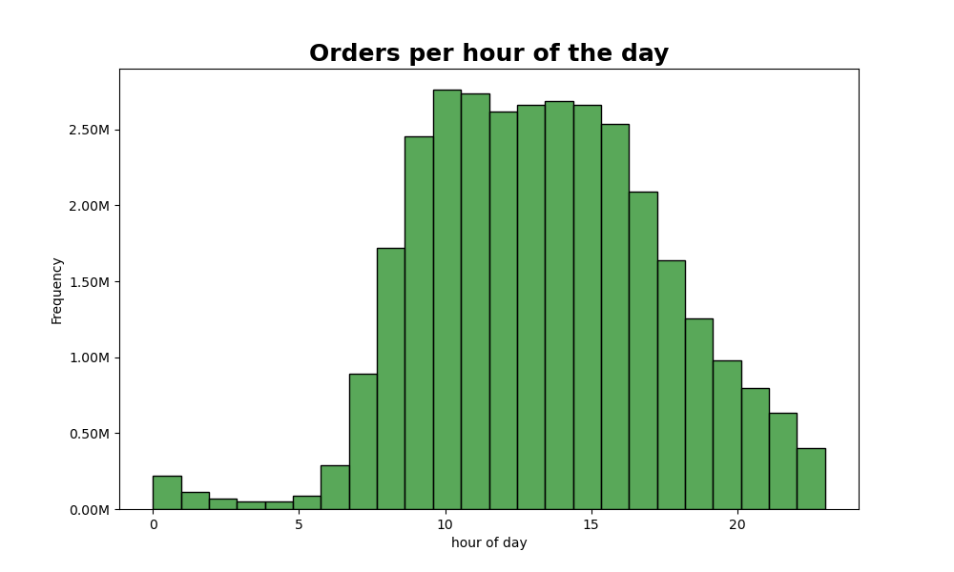
Question:
The sales team needs to know what the busiest days of the week and hours of the day are (i.e., the days and times with the most orders) in order to schedule ads at times when there are fewer orders.
Answer:
- Busiest days of the week are Saturday and Sunday. Throughout the week its less busy. Orders are picking up at the end of the week.
0 = Saturday
1 = Sunday
2 = Monday
3 = Tuesday
4 = Wednesday
5 = Thursday
6 = Friday
- Busiest time of the day is around 10 AM till 16 PM. After 16 PM order frequency is dropping and the lowest is from midnight till 7 AM. After that order frequency is picking up again.
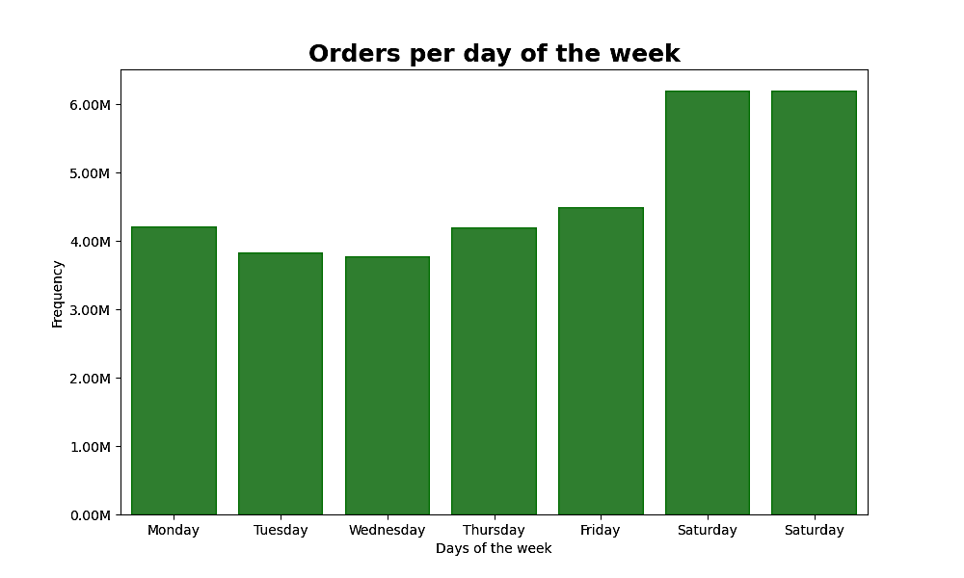

Question:
They also want to know whether there are particular times of the day when people spend the most money, as this might inform the type of products they advertise at these times.
Answer:
Average prices are at the highest between 16 PM and 7 AM. The lowest at 10 AM. Fluctuation of prices are maximum 10 cents. Might be not significant enough to actively promote at a certain time.

Average price per hour

Question:
Instacart has a lot of products with different price tags. Marketing and sales want to use simpler price range groupings to help direct their efforts.
Answer:
The most frequent prices are in the range from 1 $ to 15 $. Products in the price range from 15$ to 25 $ are very rare.
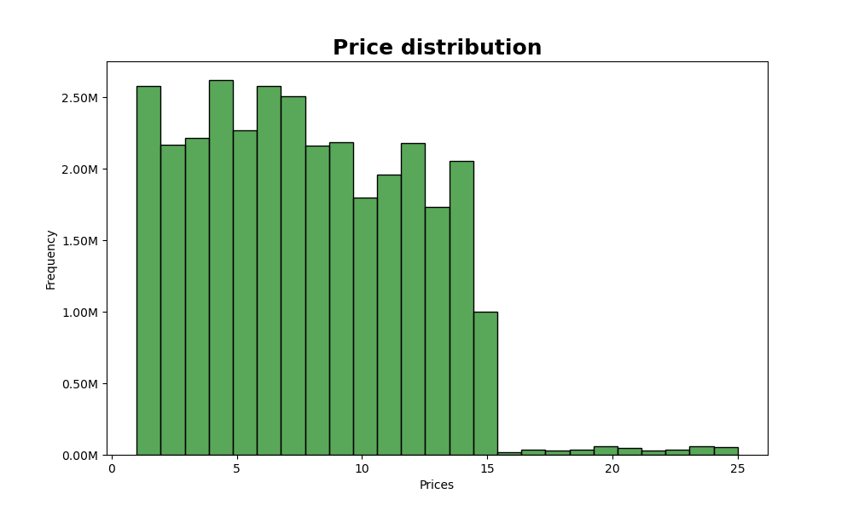

Question:
Are there certain types of products that are more popular than others? The marketing and sales teams want to know which departments have the highest frequency of product orders.
Answer:
Obviously the mostThe popular are produce products which are by far the most popular. With the follow up by dairy products.
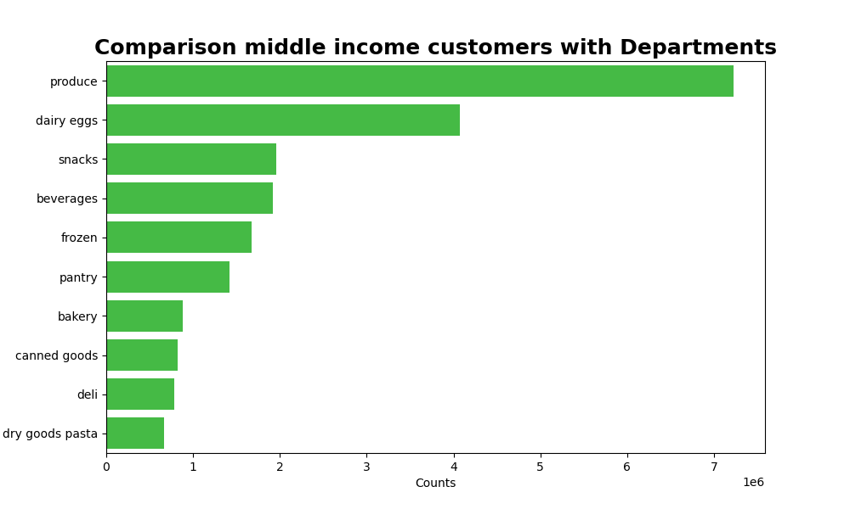
Top 10 Departments

Question:
What’s the distribution among users in regards to their brand loyalty (i.e., how often do they return to Instacart)?
Answer:
The most are regular customers which is a very good sign. Loyal customers are on the second place. And the least are new customers.
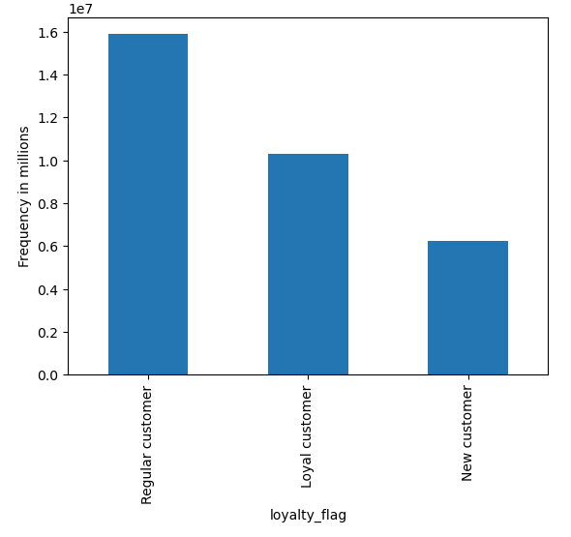

Question:
Are there differences in ordering habits based on a customer’s loyalty status?
Answer:
If we compare the spending behaviour of the different type of customers then we can see that the majority are low spending customers through all loyalty levels.
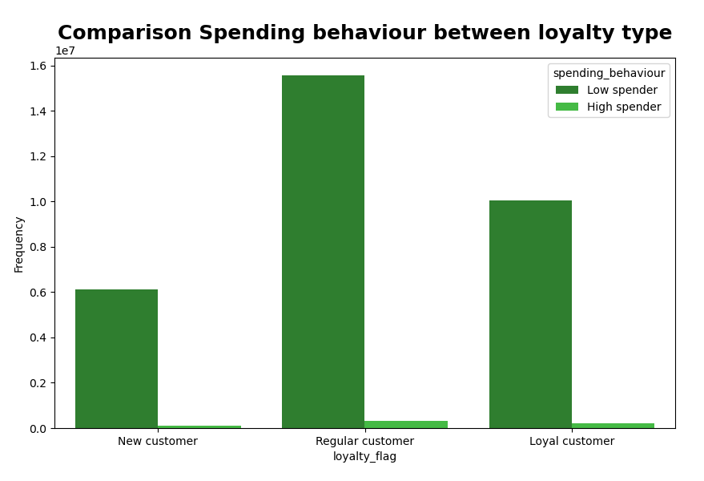

Question:
Are there differences in ordering habits based on a customer’s region?
Answer:
- In terms of ordering habit of customers with dependants over the regions we can see that the front runner is in the South and West.
- Regarding the income the customers with middle income order the most over the whole regions with the front runner in the South and West.
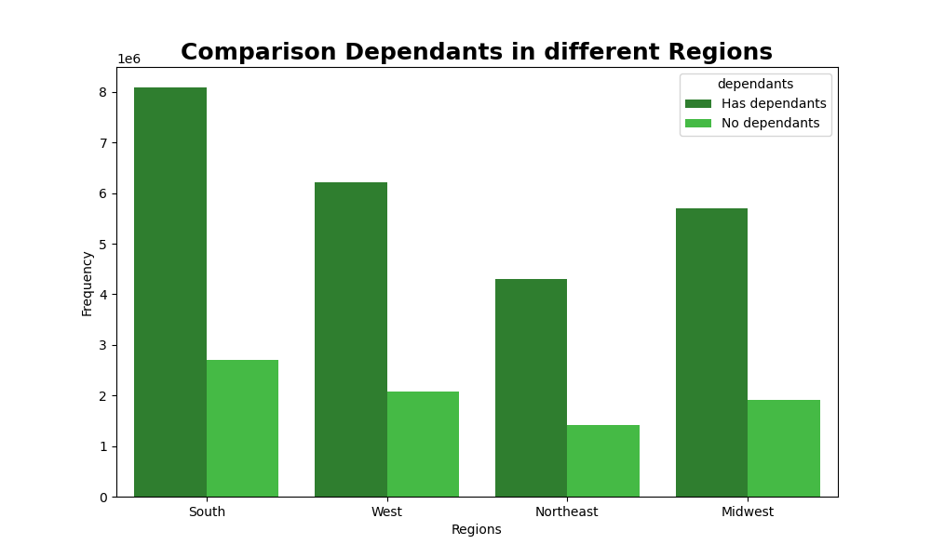
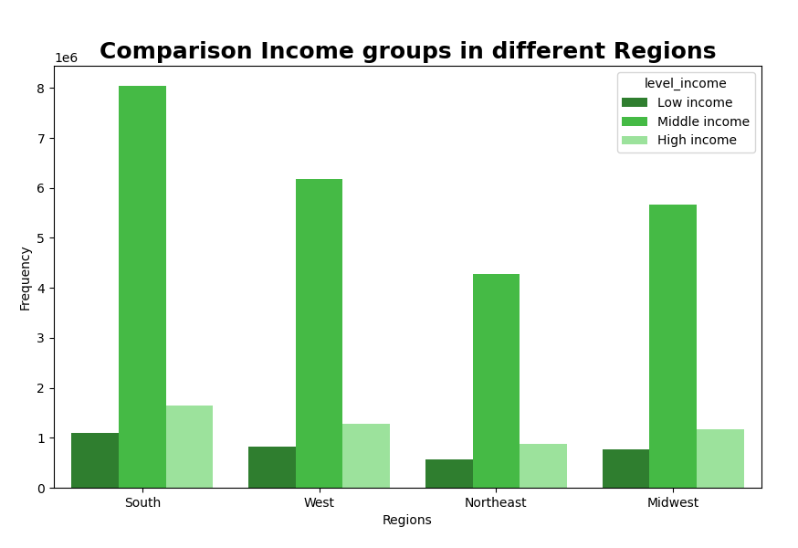
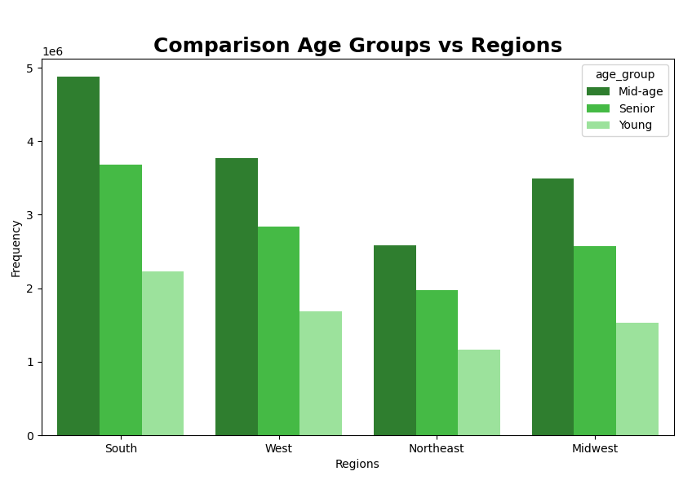

Question:
Is there a connection between age and family status in terms of ordering
habits?
Answer:
i cant see no real correlation between age and family status (dependants).
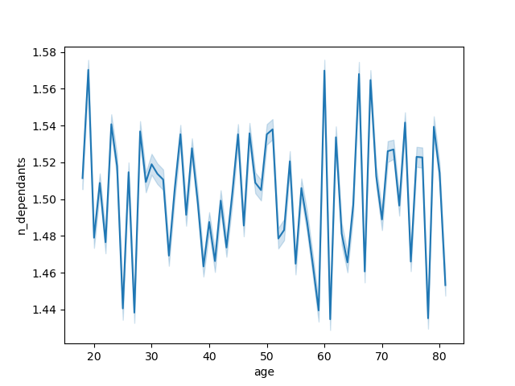
Comparison age and dependants

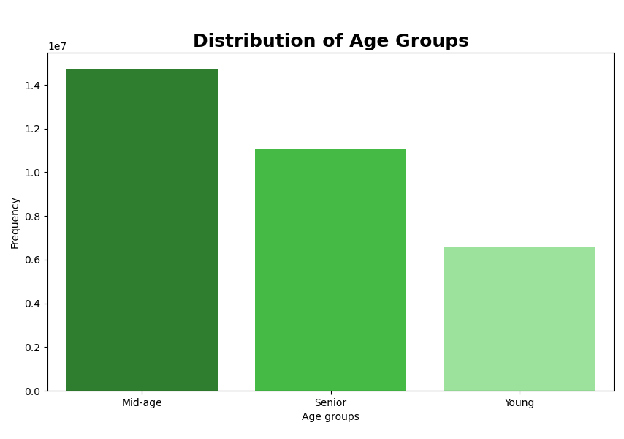
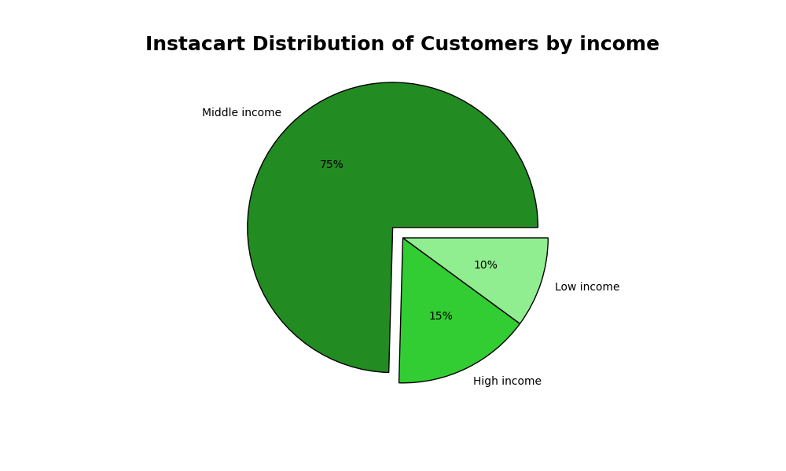

Question:
The biggest
Answer:
Distribution of Age Groups:
- Most customers are mid-aged (30 - 60 years old). Follow up the seniors and young poeple are the least. This has probably to do something with the fact that they dont have enough money or still living at home.
Distribution of customers by income:
- The most customers are average earners and this makes up for 75% of the whole customer basis. This is a healthy outcome.
Distribution of customers buying pet products:
- As a pet lover myself i thought that there was some insight regarding the pet product distribution but it seems that nearly 100% of customers are not buying pet products at Instacart. Maybe they buy it somewhere else.
Distribution of customers based on dependants:
- most of the customers have some dependants at home they are shopping for. Astaggering 75%. So 25% are without kids.

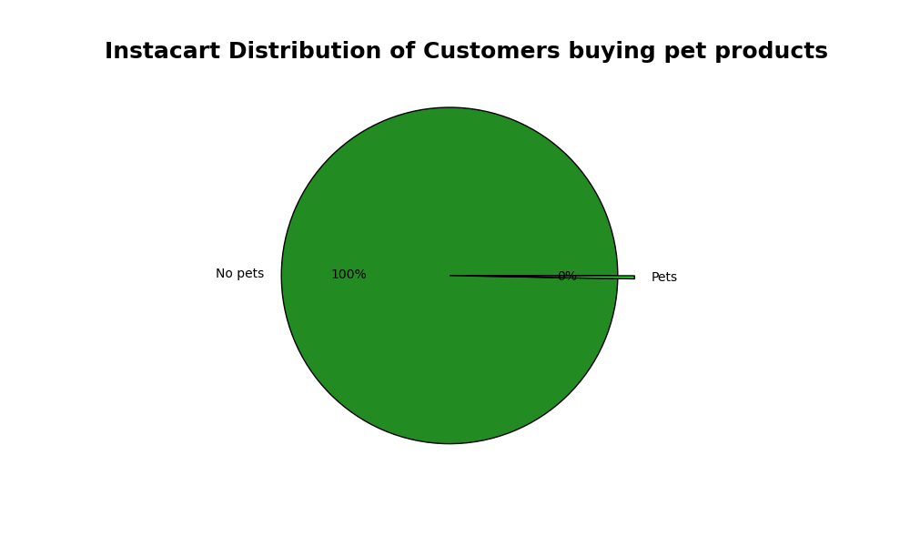
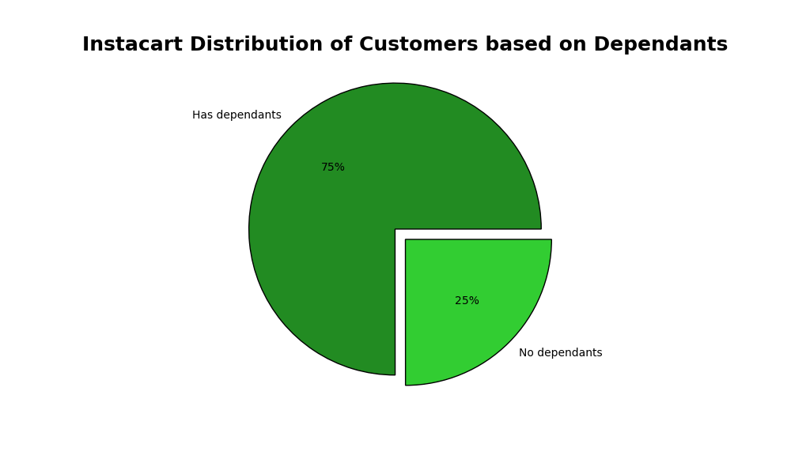

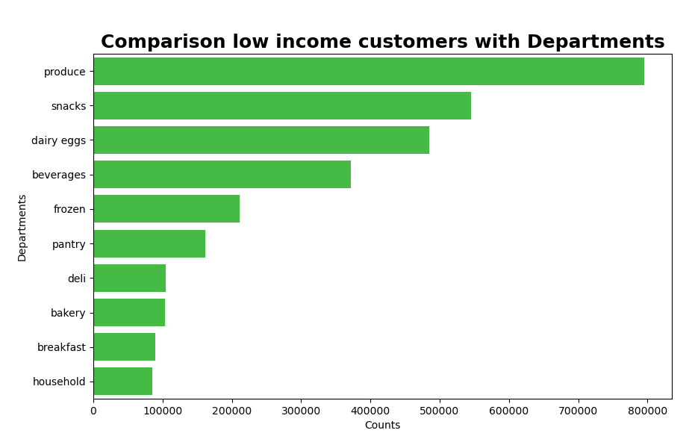


Question:
What differences can you find in ordering habits of different customer
profiles? Consider the price of orders, the frequency of orders, the products
customers are ordering, and anything else you can think of.
Answer:
Three bar charts on the top:
- the comparison of products bought between different income levels shows that customers with lower income tend to buy more snacks. Cheap products.
- Higher income customers tend to buy more produce and dairy products
- middle income customers tend to have the same buying habit as high income customers.
Comparison between age groups and departments:
- its interesting to see that between all age groups the product behaviour is actually the same. This can be very helpful for the marketing department, since they do not have to differenciate between age groups.
Average prices over the week:
- It seems that the prices are the highest on friday and saturday.

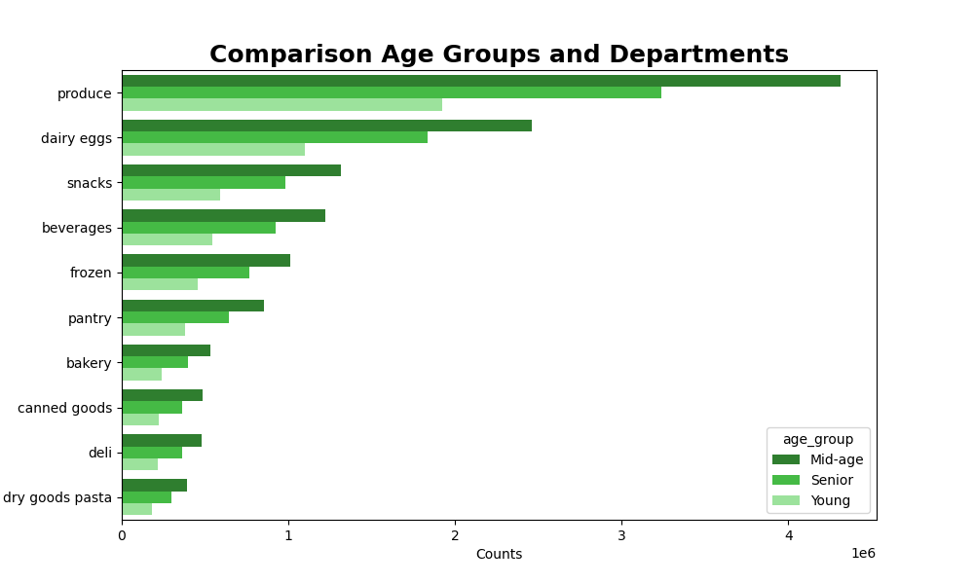
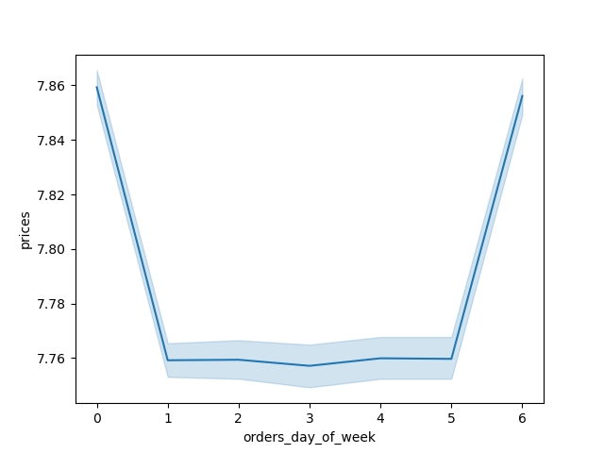
Average prices over the week
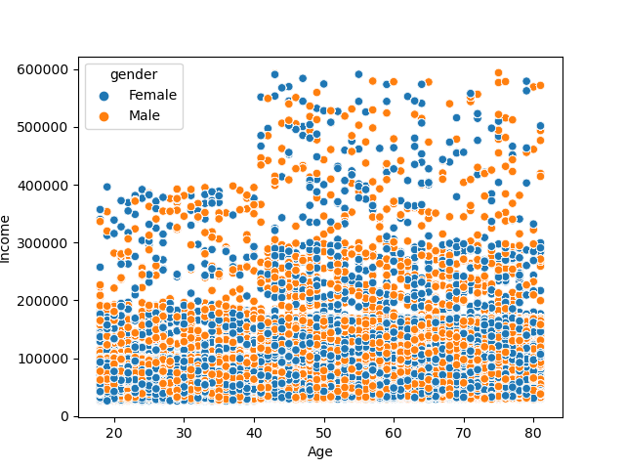
Customer income compared to Age and gender

7. Recommendations
 |  | Title page

Recommendations

In this tab you should include any recommendations you would made to Instcart in terms of their marketing strategy based on the questions posed in the brief. Every key question has been covered in the Tasks of the Exercises - here you need to add an item - a visualisation or table/crosstable that is showing the answer in the data, acompanied by a comment from you. Please, list the questions below and add the answer underneath.

Question | Answer
What are the busiest days of the week and hours of the day? In order to schedule ads ad times when there a fewer orders. | Busiest days of the week are Saturday and Sunday. Throughout the week its less busy. With Tuesday and Wednesday the least busy. When it comes to the hours, the least busy its between 21 and 7 o'clock in the morning. Suggestion would be to run ads on tuesday and Wednesday between 21 and 23 PM and between 6 and 7. I dont think it makes any sense to run ads in the middle of the night.
 | For visualizations please click HERE
What time per day do people spend the most so specific products can be advertised? | People spend the most money between 8 and 14 hours. But the price difference is only 10 cents. Question is if this little price fluctuation between the times of day would make specific advertisement economicaly feasable.
 | For visualizations please click HERE
Instacart has a lot of products with different price tags. Marketing and sales want to use simpler price range groupings to help direct their efforts. | The most frequent prices are in the range from 1 $ to 15 $. Products in the price range from 15$ to 25 $ are very rare. It would be advisable to apply three different price groups: - low end price group between 1$ and 5$ - mid end price group between 5 $ and 15$ - high end price group between 15 $ and 25 $ Advertisement should be heavily introduced on the low and mid end products since they have the highest frequency.
 | For visualizations please click HERE
Are there certain types of products that are more popular than others? The marketing and sales teams want to know which departments have the highest frequency of product orders. | The TOP 5 types of prducts are produce, dairy eggs, snacks, beverages and frozen. Instacart marketing should focus on advertising these products to keep custoemrs attention on them.
 | For visualizations please click HERE
What’s the distribution among users in regards to their brand loyalty (i.e., how often do they return to Instacart)? | The most users are regular customers. Apply a kind of reward system for regular and loyal customers so they always will come back for their purchases. The least users are new customers. Implement some discount insentive for new customers so they will become regular or even loyal customers in the future
 | For visualizations please click HERE
Are there differences in ordering habits based on a customer’s region? | The most customers are in mid aged and in the mid income section. Instacart should focus on this high valuable groups. The South region has the most customers overall. Focus should be in this region to keep it strong. But Instacart should also investigate the North East region which has the lowest customer count overall. Maybe open new branches in the area and advertise more in the region.
 | For visualizations please click HERE
What different classifications does the demographic information suggest? Age? Income? Certain types of goods? Family status? | The biggest part of InstaCart customer base are mid-aged, mid-income and families. Advertising certain packages for families, like product packages for cooking a christmas dinner for the whole family or maybe a point system where they can save points to get discounts at adventure parks where the whole family can attend. This will keep this huge customer group buying at InstaCart.
 | For visualizations please click HERE
What differences can you find in ordering habits of different customer profiles? Consider the price of orders, the frequency of orders, the products customers are ordering, and anything else you can think of. | Valueable information is retreived regarding the ordering habbit between different age groups. There is no difference in the product departments between any age groups. They are quite the same. So it would have no effect to actively promote between these age groups regarding the offered product types. Low income customers tend to buy more snacks than other income groups. This could be actively promoted to keep up the sales in the part. Regarding the income, high income groups are customers over 40. This could be a very good spot to promote the high end products since they have more money to spend.
 | For visualizations please click HERE

